Campaign Grading Criteria 2023
 | N.I.S.T PHISH SCALE GRADING CRITERIA
JANUARY
Cue Name | Cue Types | Easy | Medium | Hard | Importance of Cue Type (/5) | Difficulty of Cue Types | Total for Cue Type | Total possible | Premise Alignment Element | Alignment Rating
Error | Spelling and Grammar Irregularities | >2 instances | 1-2 instances | None | 5 | Hard | 15 | 15 | Mimics a workplace process or practice | 2
 | Inconsistency | >2 instances | 1-2 instances | None | 4 | Medium | 8 | 12 | Has workplace relevance | 2
Technical Indicator | Attachment Type | Suspicious name and file type | Suspicious name | Expected name and file type | 4 | N/A | 0 | 12 | Aligns with other situations or events, including external to the workplace | 0
 | Sender display name and email address | Shows strange email sender | Shows strange email but correct name | Hides real sender and email address | 4 | Medium | 8 | 12 | Engenders concern over consequences for NOT clicking | 4
 | URL hyperlinking | True URL is exposed fully and not hyperlinked to a different link | True URL is hyperlinked to different text |  | 4 | Medium | 8 | 8 | Has been the subject of targeted training, specific warnings, or other exposure | 0
 | Domain Spoofing | Domain name is unrecognisable | Domain name contains some typos compared to legitimate | Domain name is legitimate | 4 | Easy | 4 | 12 | TOTAL | 8 | Easy
Visual Presentation Indicator | No/minimal branding and logos | No branding and logo | Contains logo or branding themes | Contains logo and branding themes | 4 | Medium | 8 | 12 | Premise Alignment Difficulty Rating /40 | 20.00%
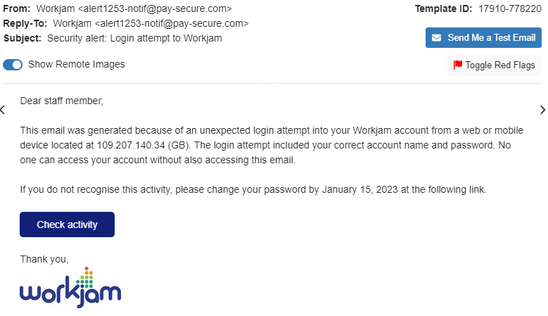
 | Logo imitation or out-of-date branding | Imitated logo | Out-of-date logo | Exact logo | 2 | Hard | 6 | 6
 | Unprofessional formatting/look | Unprofessional layout | Professional layout | Professional layout and company graphics | 2 | Medium | 4 | 6
 | Security indicators and icons, and DLP label | No security indicators at all |  | Contains Info. Classification Label | 4 | N/A | 0 | 12
Language and Content | Legal language/copyright info/disclaimers | Contains neither copyright or disclaimers | Contains either of copyright or disclaimers | Contains both copyright and disclaimers | 3 | Easy | 3 | 9
 | Distracting detail | >2 instances | 1-2 instances | None | 3 | Hard | 9 | 9
 | Requests for sensitive information | Requests money-related details | Confirm personal details | Requests insignificant personal identifiers | 2 | Medium | 4 | 6
 | Sense of urgency |  | Action is requested | No action required | 4 | Medium | 8 | 12
 | Threatening language considered not usual practice by reputable organisations |  | Threat present | Not present | 1 | Hard | 3 | 3
 | Generic greeting | Generic greeting | Used a relevent category of recipient | Used specific name of recipient | 5 | Medium | 10 | 15
 | Lack of signatory | Does not contain signatory | Contains signatory |  | 4 | Easy | 4 | 8
Common Tactic | Humanitarian appeals | Absent | Present |  | 1 | Easy | 1 | 2
 | Too good to be true offers | Present | Absent |  | 1 | Medium | 2 | 2
 | You're special | Present | Absent |  | 1 | Medium | 2 | 2
 | Limited Time offers | Present | Absent |  | 1 | Medium | 2 | 2
 | Mimics a work or business process - a legitimate email | Absent |  | Present | 4 | Easy | 4 | 12
 | Poses as a friend, colleague, supervisor or authority figure | Absent |  | Present | 4 | Easy | 4 | 12
 | Difficulty Rating |  |  |  |  |  | 58.21% | 201 | Overall Rating | 42.93% | 3

FEBRUARY
Cue Name | Cue Types | Easy | Medium | Hard | Importance of Cue Type (/5) | Difficulty of Cue Types | Total for Cue Type | Total possible | Premise Alignment Element | Alignment Rating
Error | Spelling and Grammar Irregularities | >2 instances | 1-2 instances | None | 5 | Hard | 15 | 15 | Mimics a workplace process or practice | 0
 | Inconsistency | >2 instances | 1-2 instances | None | 4 | Medium | 8 | 12 | Has workplace relevance | 8
Technical Indicator | Attachment Type | Suspicious name and file type | Suspicious name | Expected name and file type | 4 | N/A | 0 | 12 | Aligns with other situations or events, including external to the workplace | 0
 | Sender display name and email address | Shows strange email sender | Shows strange email but correct name | Hides real sender and email address | 4 | Medium | 8 | 12 | Engenders concern over consequences for NOT clicking | 2
 | URL hyperlinking | True URL is exposed fully and not hyperlinked to a different link | True URL is hyperlinked to different text |  | 4 | Medium | 8 | 8 | Has been the subject of targeted training, specific warnings, or other exposure | 0
 | Domain Spoofing | Domain name is unrecognisable | Domain name contains some typos compared to legitimate | Domain name is legitimate | 4 | Easy | 4 | 12 | TOTAL | 10 | Easy
Visual Presentation Indicator | No/minimal branding and logos | No branding and logo | Contains logo or branding themes | Contains logo and branding themes | 4 | Hard | 12 | 12 | Premise Alignment Difficulty Rating /40 | 25.00%
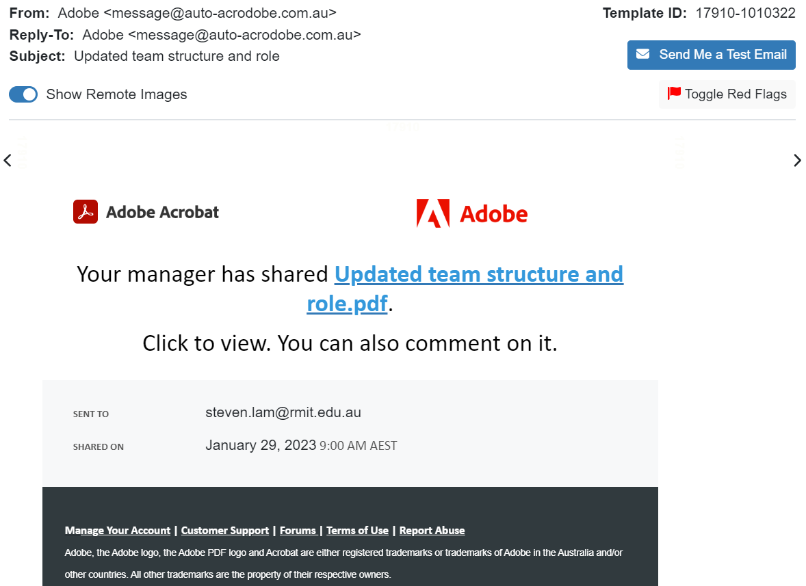
 | Logo imitation or out-of-date branding | Imitated logo | Out-of-date logo | Exact logo | 2 | Hard | 6 | 6
 | Unprofessional formatting/look | Unprofessional layout | Professional layout | Professional layout and company graphics | 2 | Medium | 4 | 6
 | Security indicators and icons, and DLP label | No security indicators at all |  | Contains Info. Classification Label | 4 | N/A | 0 | 12
Language and Content | Legal language/copyright info/disclaimers | Contains neither copyright or disclaimers | Contains either of copyright or disclaimers | Contains both copyright and disclaimers | 3 | Medium | 6 | 9
 | Distracting detail | >2 instances | 1-2 instances | None | 3 | Hard | 9 | 9
 | Requests for sensitive information | Requests money-related details | Confirm personal details | Requests insignificant personal identifiers | 2 | Hard | 6 | 6
 | Sense of urgency |  | Action is requested | No action required | 4 | Hard | 12 | 12
 | Threatening language considered not usual practice by reputable organisations |  | Threat present | Not present | 1 | Hard | 3 | 3
 | Generic greeting | Generic greeting | Used a relevent category of recipient | Used specific name of recipient | 5 | N/A | 0 | 15
 | Lack of signatory | Does not contain signatory | Contains signatory |  | 4 | Easy | 4 | 8
Common Tactic | Humanitarian appeals | Absent | Present |  | 1 | Medium | 2 | 2
 | Too good to be true offers | Present | Absent |  | 1 | Easy | 1 | 2
 | You're special | Present | Absent |  | 1 | Easy | 1 | 2
 | Limited Time offers | Present | Absent |  | 1 | Easy | 1 | 2
 | Mimics a work or business process - a legitimate email | Absent |  | Present | 4 | Easy | 4 | 12
 | Poses as a friend, colleague, supervisor or authority figure | Absent |  | Present | 4 | Easy | 4 | 12
 | Difficulty Rating |  |  |  |  |  | 58.71% | 201 | Overall Rating | 45.22% | 3

MARCH
Cue Name | Cue Types | Easy | Medium | Hard | Importance of Cue Type (/5) | Difficulty of Cue Types | Total for Cue Type | Total possible | Premise Alignment Element | Alignment Rating
Error | Spelling and Grammar Irregularities | >2 instances | 1-2 instances | None | 5 | Medium | 10 | 15 | Mimics a workplace process or practice | 2
 | Inconsistency | >2 instances | 1-2 instances | None | 4 | Hard | 12 | 12 | Has workplace relevance | 8
Technical Indicator | Attachment Type | Suspicious name and file type | Suspicious name | Expected name and file type | 4 | N/A | 0 | 12 | Aligns with other situations or events, including external to the workplace | 0
 | Sender display name and email address | Shows strange email sender | Shows strange email but correct name | Hides real sender and email address | 4 | Medium | 8 | 12 | Engenders concern over consequences for NOT clicking | 6
 | URL hyperlinking | True URL is exposed fully and not hyperlinked to a different link | True URL is hyperlinked to different text |  | 4 | Medium | 8 | 8 | Has been the subject of targeted training, specific warnings, or other exposure | 0
 | Domain Spoofing | Domain name is unrecognisable | Domain name contains some typos compared to legitimate | Domain name is legitimate | 4 | Medium | 8 | 12 | TOTAL | 16 | Medium
Visual Presentation Indicator | No/minimal branding and logos | No branding and logo | Contains logo or branding themes | Contains logo and branding themes | 4 | Easy | 4 | 12 | Premise Alignment Difficulty Rating /40 | 40.00%
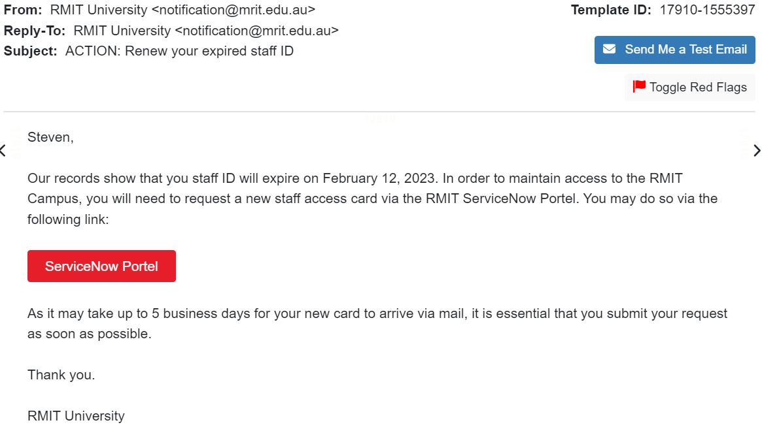
 | Logo imitation or out-of-date branding | Imitated logo | Out-of-date logo | Exact logo | 2 | N/A | 0 | 6
 | Unprofessional formatting/look | Unprofessional layout | Professional layout | Professional layout and company graphics | 2 | Medium | 4 | 6
 | Security indicators and icons, and DLP label | No security indicators at all |  | Contains Info. Classification Label | 4 | Easy | 4 | 12
Language and Content | Legal language/copyright info/disclaimers | Contains neither copyright or disclaimers | Contains either of copyright or disclaimers | Contains both copyright and disclaimers | 3 | Easy | 3 | 9
 | Distracting detail | >2 instances | 1-2 instances | None | 3 | Hard | 9 | 9
 | Requests for sensitive information | Requests money-related details | Confirm personal details | Requests insignificant personal identifiers | 2 | Hard | 6 | 6
 | Sense of urgency |  | Action is requested | No action required | 4 | Medium | 8 | 12
 | Threatening language considered not usual practice by reputable organisations |  | Threat present | Not present | 1 | Hard | 3 | 3
 | Generic greeting | Generic greeting | Used a relevent category of recipient | Used specific name of recipient | 5 | Hard | 15 | 15
 | Lack of signatory | Does not contain signatory | Contains signatory |  | 4 | Easy | 4 | 8
Common Tactic | Humanitarian appeals | Absent | Present |  | 1 | Easy | 1 | 2
 | Too good to be true offers | Present | Absent |  | 1 | Medium | 2 | 2
 | You're special | Present | Absent |  | 1 | Medium | 2 | 2
 | Limited Time offers | Present | Absent |  | 1 | Medium | 2 | 2
 | Mimics a work or business process - a legitimate email | Absent |  | Present | 4 | Hard | 12 | 12
 | Poses as a friend, colleague, supervisor or authority figure | Absent |  | Present | 4 | Easy | 4 | 12
 | Difficulty Rating |  |  |  |  |  | 64.18% | 201 | Overall Rating | 54.51% | 3

APRIL
Cue Name | Cue Types | Easy | Medium | Hard | Importance of Cue Type (/5) | Difficulty of Cue Types | Total for Cue Type | Total possible | Premise Alignment Element | Alignment Rating
Error | Spelling and Grammar Irregularities | >2 instances | 1-2 instances | None | 5 | Medium | 10 | 15 | Mimics a workplace process or practice | 2
 | Inconsistency | >2 instances | 1-2 instances | None | 4 | Hard | 12 | 12 | Has workplace relevance | 8
Technical Indicator | Attachment Type | Suspicious name and file type | Suspicious name | Expected name and file type | 4 | N/A | 0 | 12 | Aligns with other situations or events, including external to the workplace | 2
 | Sender display name and email address | Shows strange email sender | Shows strange email but correct name | Hides real sender and email address | 4 | Easy | 4 | 12 | Engenders concern over consequences for NOT clicking | 6
 | URL hyperlinking | True URL is exposed fully and not hyperlinked to a different link | True URL is hyperlinked to different text |  | 4 | Medium | 8 | 8 | Has been the subject of targeted training, specific warnings, or other exposure | 0
 | Domain Spoofing | Domain name is unrecognisable | Domain name contains some typos compared to legitimate | Domain name is legitimate | 4 | Medium | 8 | 12 | TOTAL | 18 | Medium
Visual Presentation Indicator | No/minimal branding and logos | No branding and logo | Contains logo or branding themes | Contains logo and branding themes | 4 | Easy | 4 | 12 | Premise Alignment Difficulty Rating /40 | 45.00%
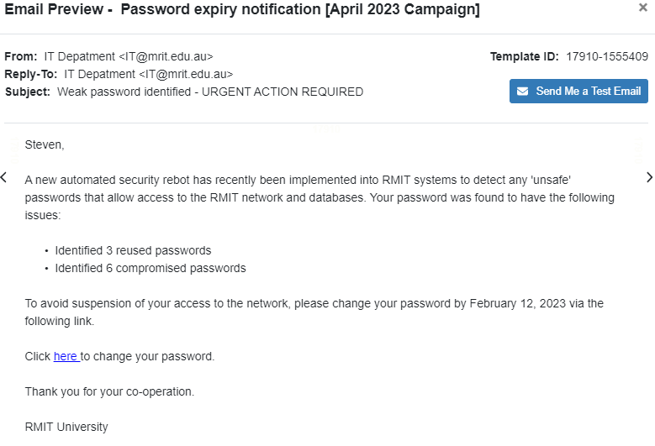
 | Logo imitation or out-of-date branding | Imitated logo | Out-of-date logo | Exact logo | 2 | N/A | 0 | 6
 | Unprofessional formatting/look | Unprofessional layout | Professional layout | Professional layout and company graphics | 2 | Medium | 4 | 6
 | Security indicators and icons, and DLP label | No security indicators at all |  | Contains Info. Classification Label | 4 | Easy | 4 | 12
Language and Content | Legal language/copyright info/disclaimers | Contains neither copyright or disclaimers | Contains either of copyright or disclaimers | Contains both copyright and disclaimers | 3 | Easy | 3 | 9
 | Distracting detail | >2 instances | 1-2 instances | None | 3 | Hard | 9 | 9
 | Requests for sensitive information | Requests money-related details | Confirm personal details | Requests insignificant personal identifiers | 2 | Medium | 4 | 6
 | Sense of urgency |  | Action is requested | No action required | 4 | Medium | 8 | 12
 | Threatening language considered not usual practice by reputable organisations |  | Threat present | Not present | 1 | Hard | 3 | 3
 | Generic greeting | Generic greeting | Used a relevent category of recipient | Used specific name of recipient | 5 | Hard | 15 | 15
 | Lack of signatory | Does not contain signatory | Contains signatory |  | 4 | Easy | 4 | 8
Common Tactic | Humanitarian appeals | Absent | Present |  | 1 | Easy | 1 | 2
 | Too good to be true offers | Present | Absent |  | 1 | Medium | 2 | 2
 | You're special | Present | Absent |  | 1 | Medium | 2 | 2
 | Limited Time offers | Present | Absent |  | 1 | Medium | 2 | 2
 | Mimics a work or business process - a legitimate email | Absent |  | Present | 4 | Easy | 4 | 12
 | Poses as a friend, colleague, supervisor or authority figure | Absent |  | Present | 4 | Easy | 4 | 12
 | Difficulty Rating |  |  |  |  |  | 57.21% | 201 | Overall Rating | 52.33% | 3

MAY
Cue Name | Cue Types | Easy | Medium | Hard | Importance of Cue Type (/5) | Difficulty of Cue Types | Total for Cue Type | Total possible | Premise Alignment Element | Alignment Rating
Error | Spelling and Grammar Irregularities | >2 instances | 1-2 instances | None | 5 | Hard | 15 | 15 | Mimics a workplace process or practice | 2
 | Inconsistency | >2 instances | 1-2 instances | None | 4 | Hard | 12 | 12 | Has workplace relevance | 6
Technical Indicator | Attachment Type | Suspicious name and file type | Suspicious name | Expected name and file type | 4 | N/A | 0 | 12 | Aligns with other situations or events, including external to the workplace | 0
 | Sender display name and email address | Shows strange email sender | Shows strange email but correct name | Hides real sender and email address | 4 | Medium | 8 | 12 | Engenders concern over consequences for NOT clicking | 6
 | URL hyperlinking | True URL is exposed fully and not hyperlinked to a different link | True URL is hyperlinked to different text |  | 4 | Medium | 8 | 8 | Has been the subject of targeted training, specific warnings, or other exposure | 0
 | Domain Spoofing | Domain name is unrecognisable | Domain name contains some typos compared to legitimate | Domain name is legitimate | 4 | Easy | 4 | 12 | TOTAL | 14 | Medium
Visual Presentation Indicator | No/minimal branding and logos | No branding and logo | Contains logo or branding themes | Contains logo and branding themes | 4 | Medium | 8 | 12 | Premise Alignment Difficulty Rating /40 | 35.00%
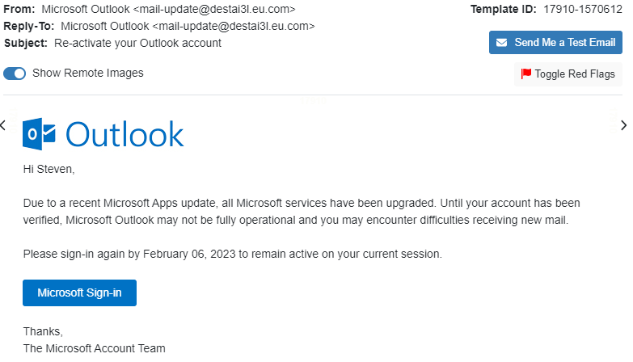
 | Logo imitation or out-of-date branding | Imitated logo | Out-of-date logo | Exact logo | 2 | Hard | 6 | 6
 | Unprofessional formatting/look | Unprofessional layout | Professional layout | Professional layout and company graphics | 2 | Medium | 4 | 6
 | Security indicators and icons, and DLP label | No security indicators at all |  | Contains Info. Classification Label | 4 | N/A | 0 | 12
Language and Content | Legal language/copyright info/disclaimers | Contains neither copyright or disclaimers | Contains either of copyright or disclaimers | Contains both copyright and disclaimers | 3 | Easy | 3 | 9
 | Distracting detail | >2 instances | 1-2 instances | None | 3 | Hard | 9 | 9
 | Requests for sensitive information | Requests money-related details | Confirm personal details | Requests insignificant personal identifiers | 2 | Medium | 4 | 6
 | Sense of urgency |  | Action is requested | No action required | 4 | Medium | 8 | 12
 | Threatening language considered not usual practice by reputable organisations |  | Threat present | Not present | 1 | Hard | 3 | 3
 | Generic greeting | Generic greeting | Used a relevent category of recipient | Used specific name of recipient | 5 | Hard | 15 | 15
 | Lack of signatory | Does not contain signatory | Contains signatory |  | 4 | Easy | 4 | 8
Common Tactic | Humanitarian appeals | Absent | Present |  | 1 | Easy | 1 | 2
 | Too good to be true offers | Present | Absent |  | 1 | Medium | 2 | 2
 | You're special | Present | Absent |  | 1 | Medium | 2 | 2
 | Limited Time offers | Present | Absent |  | 1 | Medium | 2 | 2
 | Mimics a work or business process - a legitimate email | Absent |  | Present | 4 | Easy | 4 | 12
 | Poses as a friend, colleague, supervisor or authority figure | Absent |  | Present | 4 | Easy | 4 | 12
 | Difficulty Rating |  |  |  |  |  | 62.69% | 201 | Overall Rating | 51.61% | 3

JUNE
Cue Name | Cue Types | Easy | Medium | Hard | Importance of Cue Type (/5) | Difficulty of Cue Types | Total for Cue Type | Total possible | Premise Alignment Element | Alignment Rating
Error | Spelling and Grammar Irregularities | >2 instances | 1-2 instances | None | 5 | Hard | 15 | 15 | Mimics a workplace process or practice | 0
 | Inconsistency | >2 instances | 1-2 instances | None | 4 | Medium | 8 | 12 | Has workplace relevance | 4
Technical Indicator | Attachment Type | Suspicious name and file type | Suspicious name | Expected name and file type | 4 | N/A | 0 | 12 | Aligns with other situations or events, including external to the workplace | 0
 | Sender display name and email address | Shows strange email sender | Shows strange email but correct name | Hides real sender and email address | 4 | Medium | 8 | 12 | Engenders concern over consequences for NOT clicking | 2
 | URL hyperlinking | True URL is exposed fully and not hyperlinked to a different link | True URL is hyperlinked to different text |  | 4 | Medium | 8 | 8 | Has been the subject of targeted training, specific warnings, or other exposure | 0
 | Domain Spoofing | Domain name is unrecognisable | Domain name contains some typos compared to legitimate | Domain name is legitimate | 4 | Easy | 4 | 12 | TOTAL | 6 | Easy
Visual Presentation Indicator | No/minimal branding and logos | No branding and logo | Contains logo or branding themes | Contains logo and branding themes | 4 | Hard | 12 | 12 | Premise Alignment Difficulty Rating /40 | 15.00%
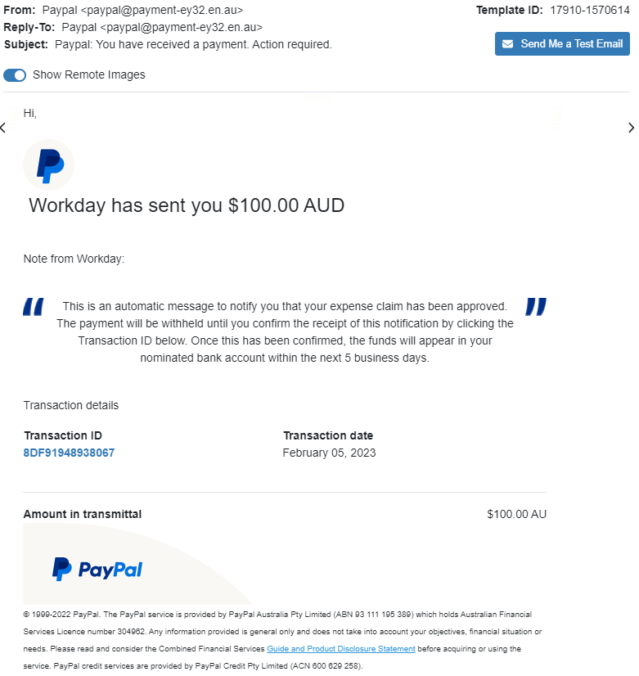
 | Logo imitation or out-of-date branding | Imitated logo | Out-of-date logo | Exact logo | 2 | Hard | 6 | 6
 | Unprofessional formatting/look | Unprofessional layout | Professional layout | Professional layout and company graphics | 2 | Medium | 4 | 6
 | Security indicators and icons, and DLP label | No security indicators at all |  | Contains Info. Classification Label | 4 | N/A | 0 | 12
Language and Content | Legal language/copyright info/disclaimers | Contains neither copyright or disclaimers | Contains either of copyright or disclaimers | Contains both copyright and disclaimers | 3 | Hard | 9 | 9
 | Distracting detail | >2 instances | 1-2 instances | None | 3 | Hard | 9 | 9
 | Requests for sensitive information | Requests money-related details | Confirm personal details | Requests insignificant personal identifiers | 2 | Hard | 6 | 6
 | Sense of urgency |  | Action is requested | No action required | 4 | Medium | 8 | 12
 | Threatening language considered not usual practice by reputable organisations |  | Threat present | Not present | 1 | Hard | 3 | 3
 | Generic greeting | Generic greeting | Used a relevent category of recipient | Used specific name of recipient | 5 | Easy | 5 | 15
 | Lack of signatory | Does not contain signatory | Contains signatory |  | 4 | Easy | 4 | 8
Common Tactic | Humanitarian appeals | Absent | Present |  | 1 | Easy | 1 | 2
 | Too good to be true offers | Present | Absent |  | 1 | Easy | 1 | 2
 | You're special | Present | Absent |  | 1 | Medium | 2 | 2
 | Limited Time offers | Present | Absent |  | 1 | Medium | 2 | 2
 | Mimics a work or business process - a legitimate email | Absent |  | Present | 4 | Easy | 4 | 12
 | Poses as a friend, colleague, supervisor or authority figure | Absent |  | Present | 4 | Easy | 4 | 12
 | Difficulty Rating |  |  |  |  |  | 61.19% | 201 | Overall Rating | 42.72% | 3

JULY
Cue Name | Cue Types | Easy | Medium | Hard | Importance of Cue Type (/5) | Difficulty of Cue Types | Total for Cue Type | Total possible | Premise Alignment Element | Alignment Rating
Error | Spelling and Grammar Irregularities | >2 instances | 1-2 instances | None | 5 | Hard | 15 | 15 | Mimics a workplace process or practice | 6
 | Inconsistency | >2 instances | 1-2 instances | None | 4 | Hard | 12 | 12 | Has workplace relevance | 8
Technical Indicator | Attachment Type | Suspicious name and file type | Suspicious name | Expected name and file type | 4 | N/A | 0 | 12 | Aligns with other situations or events, including external to the workplace | 0
 | Sender display name and email address | Shows strange email sender | Shows strange email but correct name | Hides real sender and email address | 4 | Medium | 8 | 12 | Engenders concern over consequences for NOT clicking | 6
 | URL hyperlinking | True URL is exposed fully and not hyperlinked to a different link | True URL is hyperlinked to different text |  | 4 | Medium | 8 | 8 | Has been the subject of targeted training, specific warnings, or other exposure | 0
 | Domain Spoofing | Domain name is unrecognisable | Domain name contains some typos compared to legitimate | Domain name is legitimate | 4 | Easy | 4 | 12 | TOTAL | 20 | Medium
Visual Presentation Indicator | No/minimal branding and logos | No branding and logo | Contains logo or branding themes | Contains logo and branding themes | 4 | Medium | 8 | 12 | Premise Alignment Difficulty Rating /40 | 50.00%
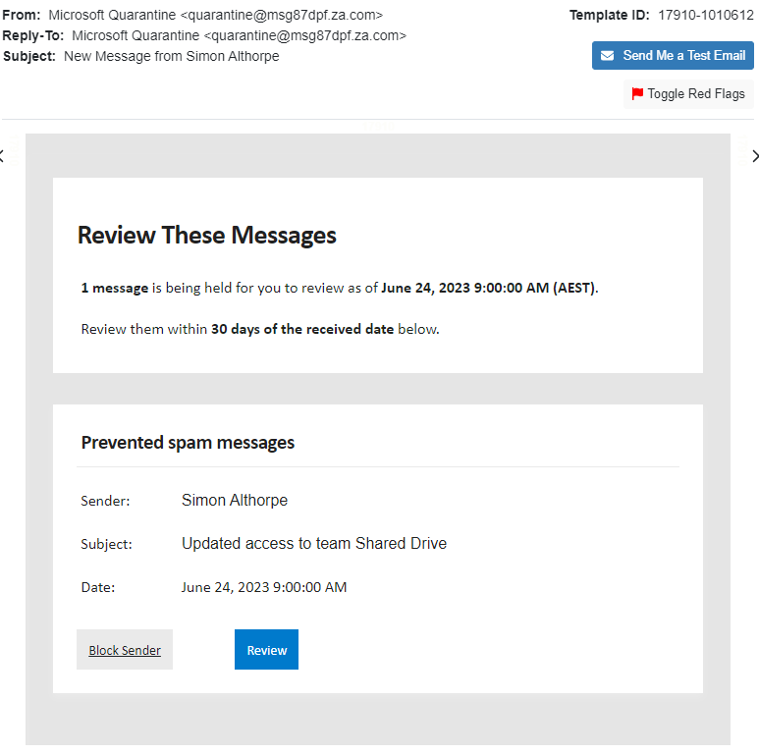
 | Logo imitation or out-of-date branding | Imitated logo | Out-of-date logo | Exact logo | 2 | N/A | 0 | 6
 | Unprofessional formatting/look | Unprofessional layout | Professional layout | Professional layout and company graphics | 2 | Medium | 4 | 6
 | Security indicators and icons, and DLP label | No security indicators at all |  | Contains Info. Classification Label | 4 | N/A | 0 | 12
Language and Content | Legal language/copyright info/disclaimers | Contains neither copyright or disclaimers | Contains either of copyright or disclaimers | Contains both copyright and disclaimers | 3 | Easy | 3 | 9
 | Distracting detail | >2 instances | 1-2 instances | None | 3 | Hard | 9 | 9
 | Requests for sensitive information | Requests money-related details | Confirm personal details | Requests insignificant personal identifiers | 2 | Hard | 6 | 6
 | Sense of urgency |  | Action is requested | No action required | 4 | Medium | 8 | 12
 | Threatening language considered not usual practice by reputable organisations |  | Threat present | Not present | 1 | Hard | 3 | 3
 | Generic greeting | Generic greeting | Used a relevent category of recipient | Used specific name of recipient | 5 | N/A | 0 | 15
 | Lack of signatory | Does not contain signatory | Contains signatory |  | 4 | N/A | 0 | 8
Common Tactic | Humanitarian appeals | Absent | Present |  | 1 | Easy | 1 | 2
 | Too good to be true offers | Present | Absent |  | 1 | Medium | 2 | 2
 | You're special | Present | Absent |  | 1 | Medium | 2 | 2
 | Limited Time offers | Present | Absent |  | 1 | Medium | 2 | 2
 | Mimics a work or business process - a legitimate email | Absent |  | Present | 4 | Hard | 12 | 12
 | Poses as a friend, colleague, supervisor or authority figure | Absent |  | Present | 4 | Easy | 4 | 12
 | Difficulty Rating |  |  |  |  |  | 55.22% | 201 | Overall Rating | 53.13% | 3

AUGUST
Cue Name | Cue Types | Easy | Medium | Hard | Importance of Cue Type (/5) | Difficulty of Cue Types | Total for Cue Type | Total possible | Premise Alignment Element | Alignment Rating
Error | Spelling and Grammar Irregularities | >2 instances | 1-2 instances | None | 5 | Hard | 15 | 15 | Mimics a workplace process or practice | 2
 | Inconsistency | >2 instances | 1-2 instances | None | 4 | Hard | 12 | 12 | Has workplace relevance | 8
Technical Indicator | Attachment Type | Suspicious name and file type | Suspicious name | Expected name and file type | 4 | N/A | 0 | 12 | Aligns with other situations or events, including external to the workplace | 0
 | Sender display name and email address | Shows strange email sender | Shows strange email but correct name | Hides real sender and email address | 4 | Hard | 12 | 12 | Engenders concern over consequences for NOT clicking | 8
 | URL hyperlinking | True URL is exposed fully and not hyperlinked to a different link | True URL is hyperlinked to different text |  | 4 | Medium | 8 | 8 | Has been the subject of targeted training, specific warnings, or other exposure | 0
 | Domain Spoofing | Domain name is unrecognisable | Domain name contains some typos compared to legitimate | Domain name is legitimate | 4 | Medium | 8 | 12 | TOTAL | 18 | Medium
Visual Presentation Indicator | No/minimal branding and logos | No branding and logo | Contains logo or branding themes | Contains logo and branding themes | 4 | Easy | 4 | 12 | Premise Alignment Difficulty Rating /40 | 45.00%
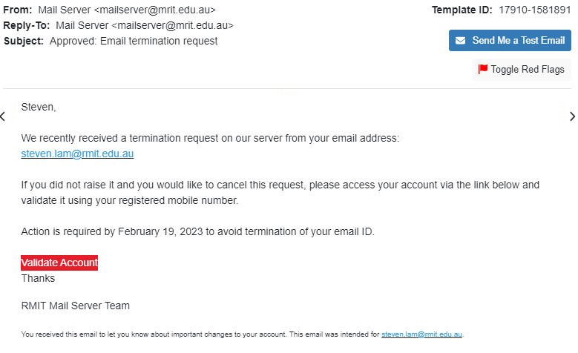
 | Logo imitation or out-of-date branding | Imitated logo | Out-of-date logo | Exact logo | 2 | N/A | 0 | 6
 | Unprofessional formatting/look | Unprofessional layout | Professional layout | Professional layout and company graphics | 2 | Medium | 4 | 6
 | Security indicators and icons, and DLP label | No security indicators at all |  | Contains Info. Classification Label | 4 | Easy | 4 | 12
Language and Content | Legal language/copyright info/disclaimers | Contains neither copyright or disclaimers | Contains either of copyright or disclaimers | Contains both copyright and disclaimers | 3 | Easy | 3 | 9
 | Distracting detail | >2 instances | 1-2 instances | None | 3 | Hard | 9 | 9
 | Requests for sensitive information | Requests money-related details | Confirm personal details | Requests insignificant personal identifiers | 2 | Medium | 4 | 6
 | Sense of urgency |  | Action is requested | No action required | 4 | Medium | 8 | 12
 | Threatening language considered not usual practice by reputable organisations |  | Threat present | Not present | 1 | Hard | 3 | 3
 | Generic greeting | Generic greeting | Used a relevent category of recipient | Used specific name of recipient | 5 | Hard | 15 | 15
 | Lack of signatory | Does not contain signatory | Contains signatory |  | 4 | Easy | 4 | 8
Common Tactic | Humanitarian appeals | Absent | Present |  | 1 | Easy | 1 | 2
 | Too good to be true offers | Present | Absent |  | 1 | Medium | 2 | 2
 | You're special | Present | Absent |  | 1 | Medium | 2 | 2
 | Limited Time offers | Present | Absent |  | 1 | Medium | 2 | 2
 | Mimics a work or business process - a legitimate email | Absent |  | Present | 4 | Easy | 4 | 12
 | Poses as a friend, colleague, supervisor or authority figure | Absent |  | Present | 4 | Easy | 4 | 12
 | Difficulty Rating |  |  |  |  |  | 63.68% | 201 | Overall Rating | 56.21% | 3

SEPTEMBER
Cue Name | Cue Types | Easy | Medium | Hard | Importance of Cue Type (/5) | Difficulty of Cue Types | Total for Cue Type | Total possible | Premise Alignment Element | Alignment Rating
Error | Spelling and Grammar Irregularities | >2 instances | 1-2 instances | None | 5 | Hard | 15 | 15 | Mimics a workplace process or practice | 0
 | Inconsistency | >2 instances | 1-2 instances | None | 4 | Medium | 8 | 12 | Has workplace relevance | 6
Technical Indicator | Attachment Type | Suspicious name and file type | Suspicious name | Expected name and file type | 4 | N/A | 0 | 12 | Aligns with other situations or events, including external to the workplace | 0
 | Sender display name and email address | Shows strange email sender | Shows strange email but correct name | Hides real sender and email address | 4 | Medium | 8 | 12 | Engenders concern over consequences for NOT clicking | 6
 | URL hyperlinking | True URL is exposed fully and not hyperlinked to a different link | True URL is hyperlinked to different text |  | 4 | Medium | 8 | 8 | Has been the subject of targeted training, specific warnings, or other exposure | 0
 | Domain Spoofing | Domain name is unrecognisable | Domain name contains some typos compared to legitimate | Domain name is legitimate | 4 | Easy | 4 | 12 | TOTAL | 12 | Easy
Visual Presentation Indicator | No/minimal branding and logos | No branding and logo | Contains logo or branding themes | Contains logo and branding themes | 4 | Hard | 12 | 12 | Premise Alignment Difficulty Rating /40 | 30.00%
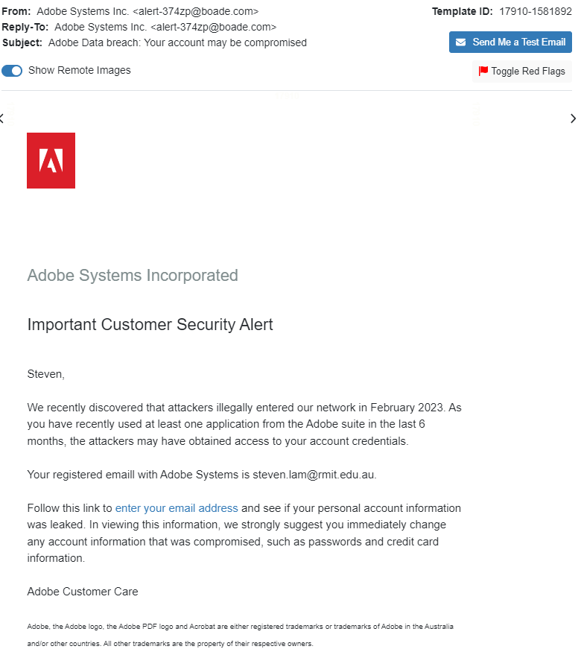
 | Logo imitation or out-of-date branding | Imitated logo | Out-of-date logo | Exact logo | 2 | Hard | 6 | 6
 | Unprofessional formatting/look | Unprofessional layout | Professional layout | Professional layout and company graphics | 2 | Medium | 4 | 6
 | Security indicators and icons, and DLP label | No security indicators at all |  | Contains Info. Classification Label | 4 | N/A | 0 | 12
Language and Content | Legal language/copyright info/disclaimers | Contains neither copyright or disclaimers | Contains either of copyright or disclaimers | Contains both copyright and disclaimers | 3 | Medium | 6 | 9
 | Distracting detail | >2 instances | 1-2 instances | None | 3 | Hard | 9 | 9
 | Requests for sensitive information | Requests money-related details | Confirm personal details | Requests insignificant personal identifiers | 2 | Medium | 4 | 6
 | Sense of urgency |  | Action is requested | No action required | 4 | Medium | 8 | 12
 | Threatening language considered not usual practice by reputable organisations |  | Threat present | Not present | 1 | Hard | 3 | 3
 | Generic greeting | Generic greeting | Used a relevent category of recipient | Used specific name of recipient | 5 | Hard | 15 | 15
 | Lack of signatory | Does not contain signatory | Contains signatory |  | 4 | Easy | 4 | 8
Common Tactic | Humanitarian appeals | Absent | Present |  | 1 | Easy | 1 | 2
 | Too good to be true offers | Present | Absent |  | 1 | Medium | 2 | 2
 | You're special | Present | Absent |  | 1 | Medium | 2 | 2
 | Limited Time offers | Present | Absent |  | 1 | Medium | 2 | 2
 | Mimics a work or business process - a legitimate email | Absent |  | Present | 4 | Easy | 4 | 12
 | Poses as a friend, colleague, supervisor or authority figure | Absent |  | Present | 4 | Easy | 4 | 12
 | Difficulty Rating |  |  |  |  |  | 64.18% | 201 | Overall Rating | 50.51% | 3

OCTOBER
Cue Name | Cue Types | Easy | Medium | Hard | Importance of Cue Type (/5) | Difficulty of Cue Types | Total for Cue Type | Total possible | Premise Alignment Element | Alignment Rating
Error | Spelling and Grammar Irregularities | >2 instances | 1-2 instances | None | 5 | Hard | 15 | 15 | Mimics a workplace process or practice | 0
 | Inconsistency | >2 instances | 1-2 instances | None | 4 | Hard | 12 | 12 | Has workplace relevance | 8
Technical Indicator | Attachment Type | Suspicious name and file type | Suspicious name | Expected name and file type | 4 | N/A | 0 | 12 | Aligns with other situations or events, including external to the workplace | 0
 | Sender display name and email address | Shows strange email sender | Shows strange email but correct name | Hides real sender and email address | 4 | Medium | 8 | 12 | Engenders concern over consequences for NOT clicking | 4
 | URL hyperlinking | True URL is exposed fully and not hyperlinked to a different link | True URL is hyperlinked to different text |  | 4 | Medium | 8 | 8 | Has been the subject of targeted training, specific warnings, or other exposure | 0
 | Domain Spoofing | Domain name is unrecognisable | Domain name contains some typos compared to legitimate | Domain name is legitimate | 4 | Easy | 4 | 12 | TOTAL | 12 | Easy
Visual Presentation Indicator | No/minimal branding and logos | No branding and logo | Contains logo or branding themes | Contains logo and branding themes | 4 | Hard | 12 | 12 | Premise Alignment Difficulty Rating /40 | 30.00%
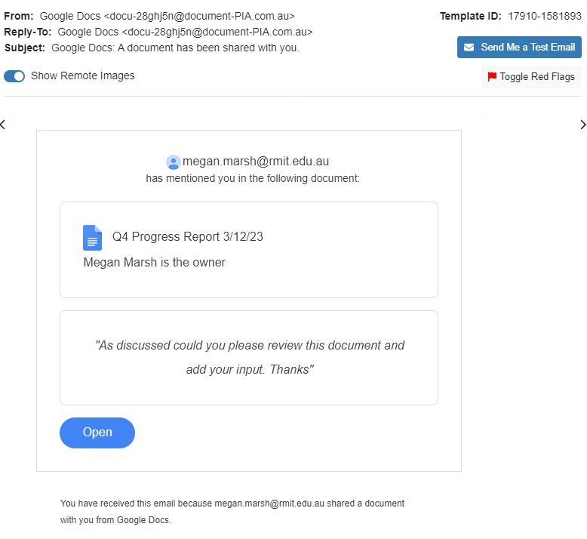
 | Logo imitation or out-of-date branding | Imitated logo | Out-of-date logo | Exact logo | 2 | Hard | 6 | 6
 | Unprofessional formatting/look | Unprofessional layout | Professional layout | Professional layout and company graphics | 2 | Medium | 4 | 6
 | Security indicators and icons, and DLP label | No security indicators at all |  | Contains Info. Classification Label | 4 | N/A | 0 | 12
Language and Content | Legal language/copyright info/disclaimers | Contains neither copyright or disclaimers | Contains either of copyright or disclaimers | Contains both copyright and disclaimers | 3 | Easy | 3 | 9
 | Distracting detail | >2 instances | 1-2 instances | None | 3 | Hard | 9 | 9
 | Requests for sensitive information | Requests money-related details | Confirm personal details | Requests insignificant personal identifiers | 2 | Hard | 6 | 6
 | Sense of urgency |  | Action is requested | No action required | 4 | Medium | 8 | 12
 | Threatening language considered not usual practice by reputable organisations |  | Threat present | Not present | 1 | Hard | 3 | 3
 | Generic greeting | Generic greeting | Used a relevent category of recipient | Used specific name of recipient | 5 | N/A | 0 | 15
 | Lack of signatory | Does not contain signatory | Contains signatory |  | 4 | N/A | 0 | 8
Common Tactic | Humanitarian appeals | Absent | Present |  | 1 | Easy | 1 | 2
 | Too good to be true offers | Present | Absent |  | 1 | Medium | 2 | 2
 | You're special | Present | Absent |  | 1 | Medium | 2 | 2
 | Limited Time offers | Present | Absent |  | 1 | Medium | 2 | 2
 | Mimics a work or business process - a legitimate email | Absent |  | Present | 4 | Easy | 4 | 12
 | Poses as a friend, colleague, supervisor or authority figure | Absent |  | Present | 4 | Hard | 12 | 12
 | Difficulty Rating |  |  |  |  |  | 60.20% | 201 | Overall Rating | 48.12% | 3

NOVEMBER
Cue Name | Cue Types | Easy | Medium | Hard | Importance of Cue Type (/5) | Difficulty of Cue Types | Total for Cue Type | Total possible | Premise Alignment Element | Alignment Rating
Error | Spelling and Grammar Irregularities | >2 instances | 1-2 instances | None | 5 | Medium | 10 | 15 | Mimics a workplace process or practice | 4
 | Inconsistency | >2 instances | 1-2 instances | None | 4 | Hard | 12 | 12 | Has workplace relevance | 8
Technical Indicator | Attachment Type | Suspicious name and file type | Suspicious name | Expected name and file type | 4 | N/A | 0 | 12 | Aligns with other situations or events, including external to the workplace | 0
 | Sender display name and email address | Shows strange email sender | Shows strange email but correct name | Hides real sender and email address | 4 | Medium | 8 | 12 | Engenders concern over consequences for NOT clicking | 6
 | URL hyperlinking | True URL is exposed fully and not hyperlinked to a different link | True URL is hyperlinked to different text |  | 4 | Medium | 8 | 8 | Has been the subject of targeted training, specific warnings, or other exposure | 0
 | Domain Spoofing | Domain name is unrecognisable | Domain name contains some typos compared to legitimate | Domain name is legitimate | 4 | Easy | 4 | 12 | TOTAL | 18 | Medium
Visual Presentation Indicator | No/minimal branding and logos | No branding and logo | Contains logo or branding themes | Contains logo and branding themes | 4 | Hard | 12 | 12 | Premise Alignment Difficulty Rating /40 | 45.00%
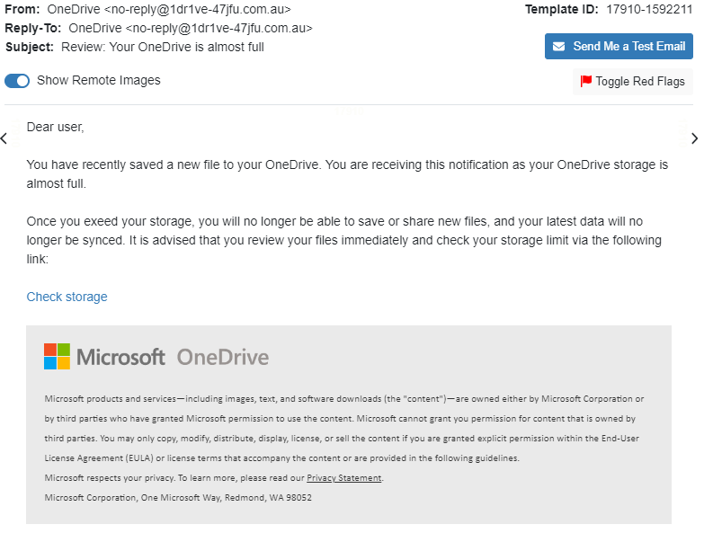
 | Logo imitation or out-of-date branding | Imitated logo | Out-of-date logo | Exact logo | 2 | Hard | 6 | 6
 | Unprofessional formatting/look | Unprofessional layout | Professional layout | Professional layout and company graphics | 2 | Medium | 4 | 6
 | Security indicators and icons, and DLP label | No security indicators at all |  | Contains Info. Classification Label | 4 | N/A | 0 | 12
Language and Content | Legal language/copyright info/disclaimers | Contains neither copyright or disclaimers | Contains either of copyright or disclaimers | Contains both copyright and disclaimers | 3 | Hard | 9 | 9
 | Distracting detail | >2 instances | 1-2 instances | None | 3 | Hard | 9 | 9
 | Requests for sensitive information | Requests money-related details | Confirm personal details | Requests insignificant personal identifiers | 2 | Hard | 6 | 6
 | Sense of urgency |  | Action is requested | No action required | 4 | Medium | 8 | 12
 | Threatening language considered not usual practice by reputable organisations |  | Threat present | Not present | 1 | Hard | 3 | 3
 | Generic greeting | Generic greeting | Used a relevent category of recipient | Used specific name of recipient | 5 | Easy | 5 | 15
 | Lack of signatory | Does not contain signatory | Contains signatory |  | 4 | N/A | 0 | 8
Common Tactic | Humanitarian appeals | Absent | Present |  | 1 | Easy | 1 | 2
 | Too good to be true offers | Present | Absent |  | 1 | Medium | 2 | 2
 | You're special | Present | Absent |  | 1 | Medium | 2 | 2
 | Limited Time offers | Present | Absent |  | 1 | Medium | 2 | 2
 | Mimics a work or business process - a legitimate email | Absent |  | Present | 4 | Easy | 4 | 12
 | Poses as a friend, colleague, supervisor or authority figure | Absent |  | Present | 4 | Easy | 4 | 12
 | Difficulty Rating |  |  |  |  |  | 59.20% | 201 | Overall Rating | 53.52% | 3

DECEMBER
Cue Name | Cue Types | Easy | Medium | Hard | Importance of Cue Type (/5) | Difficulty of Cue Types | Total for Cue Type | Total possible | Premise Alignment Element | Alignment Rating
Error | Spelling and Grammar Irregularities | >2 instances | 1-2 instances | None | 5 | Medium | 10 | 15 | Mimics a workplace process or practice | 4
 | Inconsistency | >2 instances | 1-2 instances | None | 4 | Hard | 12 | 12 | Has workplace relevance | 8
Technical Indicator | Attachment Type | Suspicious name and file type | Suspicious name | Expected name and file type | 4 | N/A | 0 | 12 | Aligns with other situations or events, including external to the workplace | 0
 | Sender display name and email address | Shows strange email sender | Shows strange email but correct name | Hides real sender and email address | 4 | Hard | 12 | 12 | Engenders concern over consequences for NOT clicking | 2
 | URL hyperlinking | True URL is exposed fully and not hyperlinked to a different link | True URL is hyperlinked to different text |  | 4 | Medium | 8 | 8 | Has been the subject of targeted training, specific warnings, or other exposure | 0
 | Domain Spoofing | Domain name is unrecognisable | Domain name contains some typos compared to legitimate | Domain name is legitimate | 4 | Hard | 12 | 12 | TOTAL | 14 | Medium
Visual Presentation Indicator | No/minimal branding and logos | No branding and logo | Contains logo or branding themes | Contains logo and branding themes | 4 | Easy | 4 | 12 | Premise Alignment Difficulty Rating /40 | 35.00%
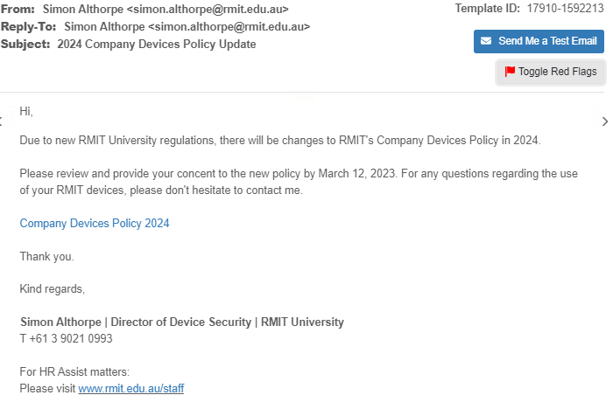
 | Logo imitation or out-of-date branding | Imitated logo | Out-of-date logo | Exact logo | 2 | N/A | 0 | 6
 | Unprofessional formatting/look | Unprofessional layout | Professional layout | Professional layout and company graphics | 2 | Medium | 4 | 6
 | Security indicators and icons, and DLP label | No security indicators at all |  | Contains Info. Classification Label | 4 | Easy | 4 | 12
Language and Content | Legal language/copyright info/disclaimers | Contains neither copyright or disclaimers | Contains either of copyright or disclaimers | Contains both copyright and disclaimers | 3 | Easy | 3 | 9
 | Distracting detail | >2 instances | 1-2 instances | None | 3 | Hard | 9 | 9
 | Requests for sensitive information | Requests money-related details | Confirm personal details | Requests insignificant personal identifiers | 2 | Hard | 6 | 6
 | Sense of urgency |  | Action is requested | No action required | 4 | Medium | 8 | 12
 | Threatening language considered not usual practice by reputable organisations |  | Threat present | Not present | 1 | Hard | 3 | 3
 | Generic greeting | Generic greeting | Used a relevent category of recipient | Used specific name of recipient | 5 | Easy | 5 | 15
 | Lack of signatory | Does not contain signatory | Contains signatory |  | 4 | Medium | 8 | 8
Common Tactic | Humanitarian appeals | Absent | Present |  | 1 | Easy | 1 | 2
 | Too good to be true offers | Present | Absent |  | 1 | Medium | 2 | 2
 | You're special | Present | Absent |  | 1 | Medium | 2 | 2
 | Limited Time offers | Present | Absent |  | 1 | Medium | 2 | 2
 | Mimics a work or business process - a legitimate email | Absent |  | Present | 4 | Easy | 4 | 12
 | Poses as a friend, colleague, supervisor or authority figure | Absent |  | Present | 4 | Hard | 12 | 12
 | Difficulty Rating |  |  |  |  |  | 65.17% | 201 | Overall Rating | 53.10% | 3

